CHOOSE
CHOOSE

Student | Score | Remarks | Score | Remarks
Philip Welch | 150 |  | 0 - 50 | Poor
Ulises Jefferson | 95 |  | 51 - 100 | Satisfactory
Kendall Cisneros | 180 |  | 101 - 150 | Good
Skyler Dixon | 120 |  | 151 and above | Excellent

Student | Sales | Commission | Sales | Commission
Philip Welch | € 150.00 | #VALUE! | 0 - 50 | 5%
Ulises Jefferson | € 95.00 |  | 51 - 100 | 7%
Kendall Cisneros | € 180.00 |  | 101 and above | 10%
Skyler Dixon | € 45.00

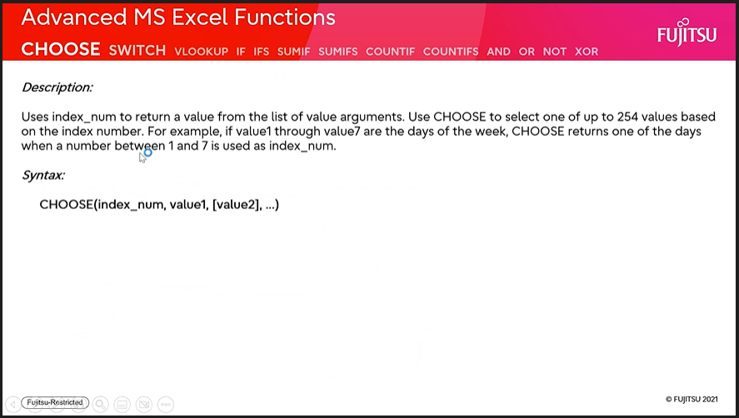

Limit : 254 pairs only

VLOOKUP
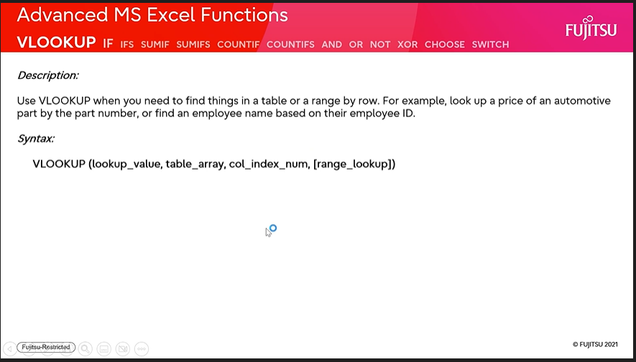
VLOOKUP

Customer | Product | Helper | Quantity | Customer
Duncan Bush | Apples | Duncan Bush Apples | 14 | Product
Duncan Bush | Biscuits | Duncan Bush Biscuits | 7 | Quantity | #N/A
Duncan Bush | Sweets | Duncan Bush Sweets | 19
Aliyah Hays | Apples | Aliyah Hays Apples | 15
Aliyah Hays | Biscuits | Aliyah Hays Biscuits | 8
Aliyah Hays | Sweets | Aliyah Hays Sweets | 2 | Using =UNIQUE()
Maximilian Moreno | Biscuits | Maximilian Moreno Biscuits | 5 | Apples | Duncan Bush
Maximilian Moreno | Lemons | Maximilian Moreno Lemons | 11 | Biscuits | Aliyah Hays
Maximilian Moreno | Pies | Maximilian Moreno Pies | 17 | Sweets | Maximilian Moreno
Maximilian Moreno | Sweets | Maximilian Moreno Sweets | 16 | Lemons
 |  |  |  | Pies

COUNTIFS
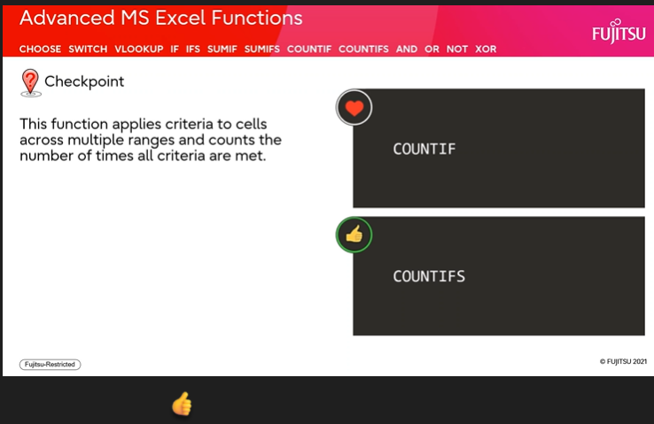
COUNTIFS

Invoice No: | Month | Total | Products | Subtotal | Transactions
Product-A-14476 | January | € 8,694.00 | Product-A
Product-A-12704 | January | € 15,920.00 | Product-B
Product-B-17947 | January | € 10,220.00 | Product-C
Product-A-14488 | January | € 14,812.00
Product-C-13828 | January | € 9,766.00
Product-A-10299 | February | € 6,240.00 | Products | Month | Subtotal | Transactions
Product-C-14328 | February | € 14,970.00 | Product-A | January
Product-A-19170 | February | € 11,208.00 | Product-B | January
Product-B-14681 | February | € 11,414.00 | Product-C | January

